WIL_Iteration_1
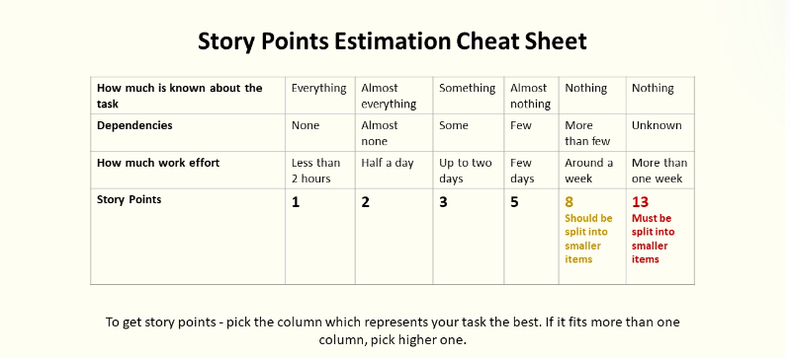
Name / Description | Priority | Size estimate (Points) | State | Target iteration | Assigned To | Effort estimate left (hours) | Hours worked | Reference material
Produce initial glossary | 1 | 1 | Closed | 1 | Murat-Tolga-İsmail-Taylan | 0 | 2 | version 1.0 glossary document
Produce initial vision | 1 | 5 | Closed | 1 | Murat-Tolga-İsmail-Taylan | 0 | 20 | version 1.0 vision document
Produce initial system-wide requirements | 1 | 2 | Closed | 1 | Murat-Tolga-İsmail-Taylan | 0 | 5 | version 1.0 system-wide requirements
Produce initial use case model and use cases | 1 | 5 | Closed | 1 | Murat-Tolga-İsmail-Taylan | 0 | 20 | version 1.0 use case model and use cases
Produce initial risk list | 1 | 1 | Closed | 1 | Murat-Tolga-İsmail-Taylan | 0 | 2 | version 1.0 risk list
Produce initial work items list | 1 | 1 | Closed | 1 | Murat-Tolga-İsmail-Taylan | 0 | 2 | version 1.0 work items list
Produce iteration plan for iterations 1&2 | 1 | 3 | Closed | 1 | Murat-Tolga-İsmail-Taylan | 0 | 10 | version 1.0 iteration plan for iterations 1&2
Produce initial project plan | 1 | 3 | Closed | 1 | Murat-Tolga-İsmail-Taylan | 0 | 10 | version 1.0 project plan
Finalize vision | 1 | 1 | Closed | 1 | Murat-Tolga-İsmail-Taylan | 0 | 2 | version 1.1 vision document

